Home
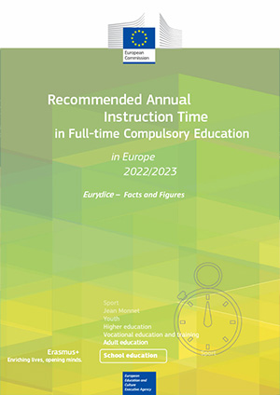
Recommended annual instruction time in full time compulsory education in Europe 2022/2023
Data to the figures in the report
This annex provides in an open data format all data presented in the different figures of the report.
Each worksheet corresponds to a specific figure in the report.
For the explanatory note and the country-specific notes, please refer to the corresponding figure in the report.

Please cite this publication as:
European Commission/EACEA/Eurydice, 2023. Recommended Annual Instruction Time in Full-time Compulsory Education in Europe – 2022/2023. Eurydice – Facts and Figures. Luxembourg: Publications Office of the European Union.

