Home
Teachers' and school heads' salaries and allowances in Europe 2021/2022
Data to the figures in the report
This annex provides in an open data format all data presented in the different figures of the report.
Each worksheet corresponds to a specific figure in the report.
For the explanatory note and the country-specific notes, please refer to the corresponding figure in the report.
All Eurostat data used for the report (conversion rates, GDP, PPP and HICP) are also available in a specific worksheet at the end of the file.
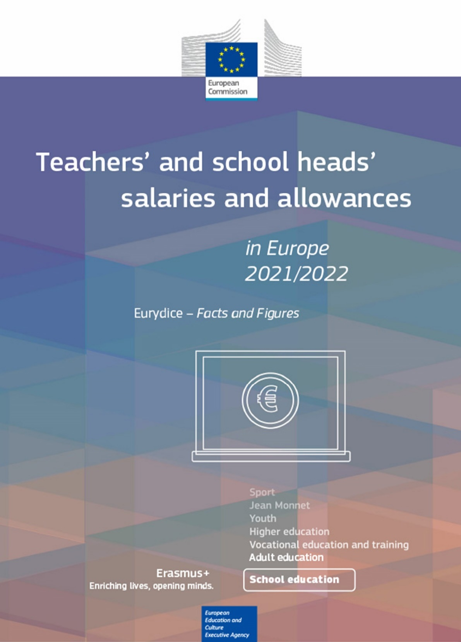

Please cite this publication as:
European Commission/EACEA/Eurydice, 2023. Teachers' and School Heads' Salaries and Allowances in Europe – 2021/2022. Eurydice Facts and Figures. Luxembourg: Publications Office of the European Union.

